Sheet1
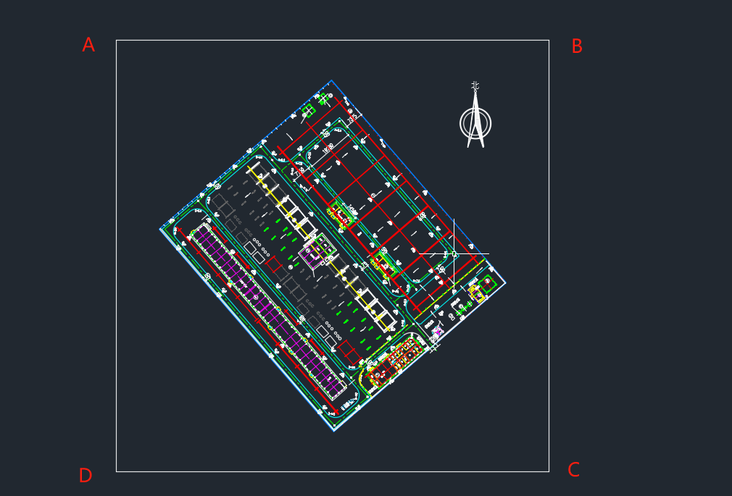

 | X | Y
A | 4166246.7698 | 602458.7751
B | 4166246.7698 | 602808.7751
C | 4165896.7698 | 602808.7751
D | 4165896.7698 | 602458.7751

